Assumptions
Assumptions

 |  |  | Comments from Reviewer |  | Project Development |  | Color Key |  |  |  | Speed Limit (mph)
 | Order ID: | 41000076575 |  | Years | 5.00 |  | Cells that are used in the One Pager |  |  | Major | 45
 | Project ID: | 05-08-203 (TIP #W-5601HP) |  | Start Date | 2011-01-01 |  | Cells that won't be in the final fiche |  |  | Minor | 35
 | Signal ID (if applicable): | 05-1723 |  | End Date | 2015-12-31 |  | Cells that are calculated
 | Location: | SR 1375 (Lake Wheeler Road) at SR 1390 (Optimist Farm Road)/SR 1503 (Donnybrook Road) |  |  |  | CPY | Used in Fiche Prep Macro
 | GPS Coordinates: | 35.657816, -78.717261 |  | Total | 35 | 7.00 | Labels for Map/ alt text
 | County: | Wake |  | Fatal Injury | 0 |  | Leg | Road | Speed | AADT Year | AADT | Est | Alt Text (Copy each row into the Alt Text for the Map)
 | City: | None (outside city limits; Fuquay-Varina area) |  | Class A Injury | 0 |  | North | SR 1375 (Lake Wheeler Road) | 45 | 2025 | 8,900 | FALSE | North leg: SR 1375 (Lake Wheeler Road), 45 mph, 2025 AADT: 8900
 | Division: | 5 |  | Class B Injury | 2 | 0.40 | South | SR 1375 (Lake Wheeler Road) | 45 | 2025 | 7,400 | FALSE | South leg: SR 1375 (Lake Wheeler Road), 45 mph, 2025 AADT: 7400
 | Countermeasure(s): | Realign SR 1390 (Optimist Farm Road) and SR 1503 (Donnybrook Road) to tie directly across from one another and install shoulder-mounted actuated flashers in both directions on SR 1375 (Lake Wheeler Road). |  | Class C Injury | 7 | 1.40 | West | SR 1390 (Optimist Farm Road) | 35 | 2025 | 4,800 | TRUE | West leg: SR 1390 (Optimist Farm Road), 35 mph, 2025 AADT: 4800 (est)
 | CMF Group | Intersection Realignment |  | Property Damage Only | 26 | 5.20 | East | SR 1503 (Donnybrook Road) | 45 | 2025 | 2,400 | TRUE | East leg: SR 1503 (Donnybrook Road), 45 mph, 2025 AADT: 2400 (est)
 | Estimated Project Cost: | $665,000
 | Completion Date: | 2021-07-02 |  | Map/Satellite Views (with Alt text) - For Review Only |  |  |  | Time Periods (From Evaluation Set Up)
 | Completion date Notes | Construction began and was completed on July 2, 2021 per the HNTB compliance memo of June 24, 2024 (contract R-2721A); the RTE was notified complete on September 16, 2021. The two-phase fully actuated signal 05-1723 (plan sealed February 25, 2022) later replaced the flashers; its turn-on date is not in the project files. The assignment comment expects an extended construction period to cover the signal installation: confirm the turn-on date and, if so, extend the construction period on the Evaluation Set-up sheet (cells D5 and E10). |  |  |  |  |  | Time Period | Start Date | End Date | # of Years | # of Months
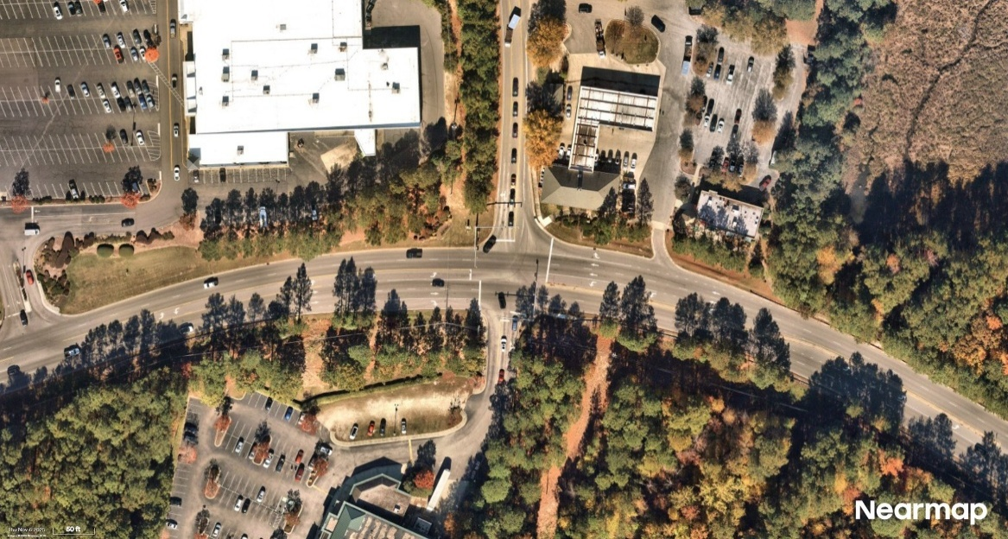
 | Y-line (ft): | 150 |  |  |  |  |  | Before Period | 6/1/2016 | 6/30/2021 | 5 | 1
SR 1905 (Felton Capel Lane) 45 mph 2025 AADT: 5,600 (est)
 | Target Crash 1: | Frontal Impact Crashes in Intersection: Angle, Left Turn Different Roadways (LTDR), Left Turn Same Roadway (LTSR), Right Turn Different Roadways (RTDR), Right Turn Same Roadway (RTSR) and Head-On |  |  |  |  |  | Construction Period | 7/1/2021 | 7/31/2021 |  | 1
 | Target Crash 2: | Rear End Crashes on the SR 1375 (Lake Wheeler Road) Approaches |  |  |  |  |  | After Period | 8/1/2021 | 8/31/2026 | 5 | 1
 | Target Crash 3:
SR 1309 (Morganton Road) 45 mph 2025 AADT: 19,500
 | Statement of Problem: | Limited sight distance on SR 1375 (Lake Wheeler Road) and the offset condition of SR 1390 (Optimist Farm Road) with SR 1503 (Donnybrook Road) is contributing to angle and rear end type crashes.
SR 1309 (Morganton Road) 45 mph 2025 AADT: 18,000
 | Other Notes: | SR 1375 (Lake Wheeler Road) is a two-lane, two-way shoulder facility with a horizontal curve just north of the intersection; before the project SR 1390 and SR 1503 met SR 1375 offset from one another just south of the curve, and rear end crashes occurred exiting the curve behind vehicles turning right from SR 1390 and then left onto SR 1503 (project justification). The realignment moved the SR 1390 tie-in about 190 ft south of its old location, so the y-line may need to be extended to cover the old leg (target crash guidance for realignments). Prior project W-5205W (05-13-6035, sight distance improvements, completed 2017) was not evaluated because this project began construction in 2021; to be mentioned in the report (assignment comment). Speed limits are from the February 2022 signal plan: SR 1375 45 mph, SR 1390 35 mph, SR 1503 45 mph; the April 2019 flasher plan showed SR 1390 at 45 mph. Project development crash data is the 1/1/2011 to 12/31/2015 TEAAS strip analysis on SR 1375 (35 crashes, severity index 2.90). Leg #3 (SR 1390) has no count station between the intersection and SR 1404 (Johnson Pond Road); the station about 1 mile west is used. The Leg #4 (SR 1503) station is east of SR 1392 (Ransdell Road), 0.15 mi from the intersection. The NC 540 interchange with US 401 about half a mile away was built under the same contract; note its opening date when discussing volume changes in the after period.
Beverly Lane 25 mph (not posted) 2025 AADT: 500 (est)

Evaluation Set-up
Date Range Calculator |  |  |  |  |  | AADT Calculator

 | Most recent TEAAS date | 2026-08-31 |  | Color Key |  |  |  | Representative Years Selection: |  |  |  | Representative Volumes: |  |  | Instructions for AADT Calculator:
 | Construction Period Length (Give Value in Months) | 1 |  | Cells that need to be edited |  |  |  | Select Before Period Year: |  | 2019 |  | Before Period Volume: |  | 11,800 | ● | In cells N5 and N6, select the last year within each period that has available volume data (i.e. actual collected volume data, not estimated/interpolated data)
 |  |  |  | Auto-calculated cells |  |  |  | Select After Period Year: |  | 2025 |  | After Period Volume: |  | 11,800

 | Time Period | Start Date | End Date | # of Years | # of Months |  | AADTs for every year within the study period |  |  |  |  |  |  |  | ● | When inputting volume data into this tool, use Black font color for values taken directly from the available volume data
 | Before Period | 6/1/2016 | 6/30/2021 | 5 | 1 |  | Year | Major Road - Leg #1 | Major Road - Leg #2 | Major Road - Average AADT | Minor Rd - Leg #3 | Minor Rd - Leg #4 | Minor Road - Average AADT | Intersection AADT
 | Construction Period | 7/1/2021 | 7/31/2021 |  | 1 |  |  |  |  |  |  |  |  |  | ● | When inputting volume data into this tool, use Red font color for values that need to be calculated, interpolated, or assumed
 | After Period | 8/1/2021 | 8/31/2026 | 5 | 1 |  | 2010
 |  |  |  |  |  |  | 2011 |  |  |  |  |  |  |  | ● | Input AADTs for every year that appears in the study range (Before and After Period). You do not need to input volumes for the years outside of the study time periods
 |  |  |  |  |  |  | 2012
FALSE | Unequal Time Period Start Date | 7/1/2016 |  |  |  |  | 2013
 |  |  |  |  |  |  | 2014 |  |  |  |  |  |  |  | ● | Volumes should be entered in for each leg of the intersection, even if no count data is available. Legs without available volume counts will need to have their volumes estimated.
Comments/Instruction on Date Range Calculator: |  |  |  |  |  |  | 2015
● | Use a typical 3-month Construction Period unless you have specific information to the contrary (ex. construction dates were provided, info from satellite views, etc.). |  |  |  |  |  | 2016 | 7,000 | 4,800 | 5,900 | 5,000 | 3,400 | 4,200 | 10,100
 |  |  |  |  |  |  | 2017 | 7,300 | 5,100 | 6,200 | 5,400 | 3,600 | 4,500 | 10,700 | ● | In the case of a T-intersection, leave leg #4 blank (Column Q)
● | You CAN input the construction start date directly into cell D10 or simply just enter in the construction period length into cells D5/D6. |  |  |  |  |  | 2018 | 7,800 | 5,600 | 6,700 | 5,500 | 3,700 | 4,600 | 11,300 | ● | Intersections with 5 or more legs should just have the yearly volumes for the WHOLE intersection calcuated manually and entered into column R.
 |  |  |  |  |  |  | 2019 | 8,200 | 6,100 | 7,150 | 5,500 | 3,700 | 4,600 | 11,750
● | This tool only works in WHOLE MONTHS. Construction start dates should be rounded up to the first of the month and construction end dates should be rounded down to the end the month. |  |  |  |  |  | 2020 | 7,100 | 5,200 | 6,150 | 4,700 | 3,000 | 3,850 | 10,000
 |  |  |  |  |  |  | 2021 | 8,400 | 6,100 | 7,250 | 5,600 | 3,300 | 4,450 | 11,700 | ● | Please note that this tool will not correctly calculate the AADT of an intersection that involves a one-way road. Should the major or minor road involve one-way traffic, the total entering volume into the intersection by that road should be directly entered into Column O (if the major road is one-way) or column R (if the minor road is one-way)
● | If you are doing an unequal time period evaluation, click on the checkmark box in cell B14 and input the start date into cell D14 |  |  |  |  |  | 2022 | 8,100 | 6,100 | 7,100 | 5,200 | 2,700 | 3,950 | 11,050
 |  |  |  |  |  |  | 2023 | 7,800 | 6,000 | 6,900 | 4,800 | 2,000 | 3,400 | 10,300
 |  |  |  |  |  |  | 2024 | 8,000 | 6,200 | 7,100 | 4,900 | 2,100 | 3,500 | 10,600
 |  |  |  |  |  |  | 2025 | 8,900 | 7,400 | 8,150 | 4,800 | 2,400 | 3,600 | 11,750
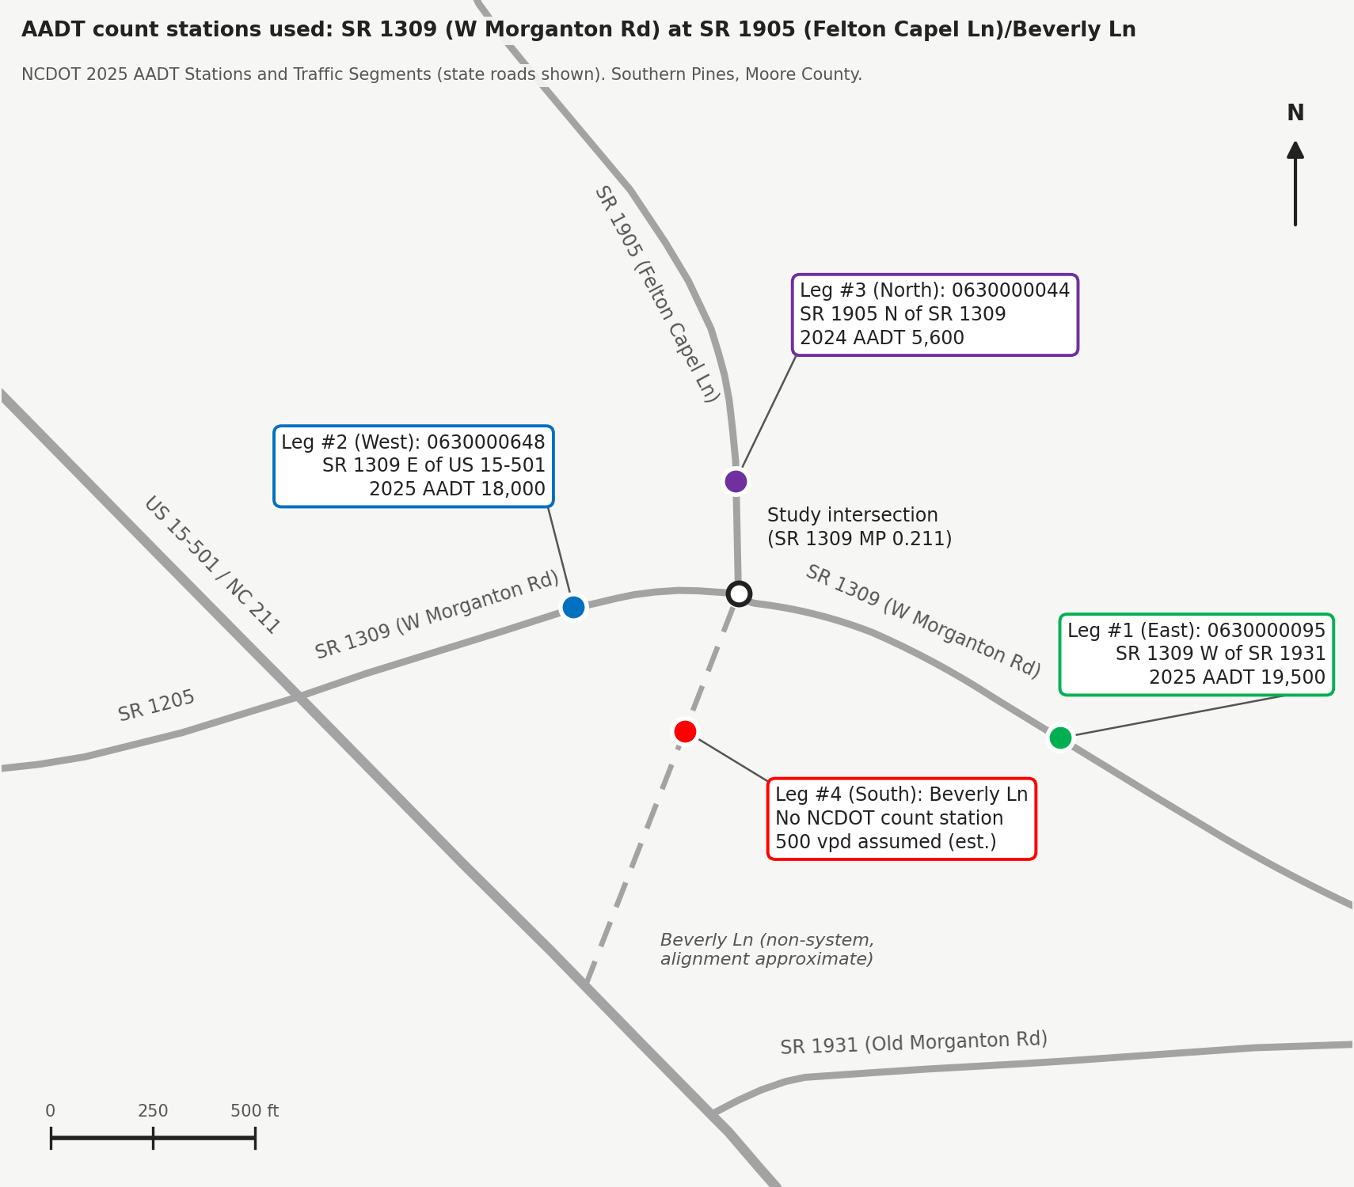
 |  |  |  |  |  |  | 2026 | 8,900 | 7,400 | 8,150 | 4,800 | 2,400 | 3,600 | 11,750
 |  |  |  |  |  |  | 2027 |  |  |  |  |  |  |  | ● | Do not select 2020 as a representative year for a particular time period, due to the effects of the COVID-19 pandemic, even if it is the last year with available AADT data within said time period.
 |  |  |  |  |  |  | 2028
 |  |  |  |  |  |  | 2029
 |  |  |  |  |  |  | 2030
 |  |  |  |  |  |  | 2031
 |  |  |  |  |  |  | 2032
 |  |  |  |  |  |  | 2033
 |  |  |  |  |  |  | 2034

 |  |  |  |  | Location ID |  |  | 920000868 | 920000991 |  | 920001913 | 920001914
 |  |  |  |  | County |  |  | Wake | Wake |  | Wake | Wake
 |  |  |  |  | Category |  |  | VOLUME | VOLUME |  | VOLUME | VOLUME
 |  |  |  |  | Direction |  |  | 2-WAY | 2-WAY |  | 2-WAY | 2-WAY
 |  |  |  |  | RouteID |  |  | 40001375092 | 40001375092 |  | 40001390092 | 40001503092
 |  |  |  |  | Located On |  |  | SR 1375 (Lake Wheeler Rd) | SR 1375 (Lake Wheeler Rd) |  | SR 1390 (Optimist Farm Rd) | SR 1503 (Donny Brook Rd)
 |  |  |  |  | Approach |  |  | NORTH OF | SOUTH OF |  | WEST OF | EAST OF
 |  |  |  |  | Crossroad |  |  | SR 1390 (Optimist Farm Rd) | SR 1503 (Donny Brook Rd) |  | SR 1404 (Johnson Pond Rd) | SR 1392 (Ransdell Rd)
 |  |  |  |  | Route Class |  |  | SR | SR |  | SR | SR
 |  |  |  |  | Functional Class |  |  | Major Collector | Major Collector |  | Major Collector | Major Collector
 |  |  |  |  | AADT_2002
 |  |  |  |  | AADT_2003
 |  |  |  |  | AADT_2004
 |  |  |  |  | AADT_2005
 |  |  |  |  | AADT_2006
 |  |  |  |  | AADT_2007
 |  |  |  |  | AADT_2008
 |  |  |  |  | AADT_2009
 |  |  |  |  | AADT_2010
 |  |  |  |  | AADT_2011 |  |  | 6,400 | 4300
 |  |  |  |  | AADT_2012
 |  |  |  |  | AADT_2013 |  |  | 9,400 | 9,500
 |  |  |  |  | AADT_2014 |  |  |  |  |  | 4,200 | 3000
 |  |  |  |  | AADT_2015 |  |  | 6,700 | 4400
 |  |  |  |  | AADT_2016
 |  |  |  |  | AADT_2017 |  |  | 7,300 | 5,100 |  | 5400 | 3600
 |  |  |  |  | AADT_2018
 |  |  |  |  | AADT_2019 |  |  | 8,200 | 6,100 |  | 5500 | 3700
 |  |  |  |  | AADT_2020
 |  |  |  |  | AADT_2021 |  |  | 8,400 | 6,100 |  | 5600 | 3300
 |  |  |  |  | AADT_2022
 |  |  |  |  | AADT_2023 |  |  | 7,800 | 6,000 |  | 4800 | 2000
 |  |  |  |  | AADT_2024 |  |  | 8000 | 6200 |  | 4,900 | 2100
 |  |  |  |  | AADT_2025 |  |  | 8,900 | 7,400 |  | 4800 | 2400

 |  |  |  |  | Notes |  |  | Leg #3 (SR 1390) has no count station between the intersection and SR 1404 (Johnson Pond Rd); station 0920001913 about 1 mile west is used. The Leg #4 (SR 1503) station 0920001914 is east of SR 1392 (Ransdell Rd), 0.15 mi from the intersection. The 2013 counts on SR 1375 (9,400 and 9,500) are out of line with 2011 and 2015 and are not used in the table.
 |  |  |  |  |  |  |  | Red = interpolated between counts (2020 = 0.85 x the interpolated value, COVID; 2016 on Legs #3 and #4 interpolated between the 2014 and 2017 counts; 2026 carried from 2025).

Filtered Fiche
Municipality | On Road | Miles | Dir From | From Road | Toward Road | Milepost Road | MP | MA | IS? | Crash ID | Date | T | C | F | L | S | Latitude | Longitude | Source | Link | Dist From Int | Location Notes | Crash Type | Vehicle 1 | Vehicle 2 | At Fault | Crash Notes
Final Sort

For NCDOT staff - Email
CRF Used (Copy entire row from CRF Sheet)
NCDOT Reference Number | Countermeasure Location Type | Countermeasure Target Crash | Countermeasure | CRF Site Specifications | CRF Crash Pattern Affected | CRF Context | CRF | Status | CMF | Std Error
 |  |  |  |  |  |  |  |  | 1

Generate Email
 |  | Safety Project | 05-08-203 (TIP #W-5601HP) - Signal ID 05-1723 |  | Color Key |  |  |  |  |  |  | Automatically Calculated CRF Crash Patterns | Before | After | Percent Change
 |  | Location | SR 1375 (Lake Wheeler Road) at SR 1390 (Optimist Farm Road)/SR 1503 (Donnybrook Road), Wake County |  | User Input Required |  |  |  |  |  |  | Total Crashes |  |  | n/a
 |  | Link | https://www.google.com/maps/search/?api=1&query=35.657816, -78.717261 |  | Cells that are calculated |  |  |  |  |  |  | Target Crashes |  |  | n/a
1. Copy the entire row from the CRF sheet into row 3.
2. If the CRF Crash Pattern Affected is not in column AG as an automatically calculated crash type, then add the before and after crash numbers into row 22.
3. Only the cells that are orange need to be edited. Blue Cells come from elsewhere in the workbook. If you need to overwrite anything in blue, that is fine but it will no longer be linked to the rest of the workbook
4. Once you are satisfied with what is here, then you can click generate email. If this workbook is saved in the same folder as the Completed Evaluation document then it will attach the file to the email.
Note:
- If this is a location with multiple locations or countermeasures or CRFs, you will need to edit the email manually. The email can only attach 1 Evaluation pdf.
- The email distribution list comes directly from the Email Distribution workbook. If you need to reverify recipients or edit the recipients, you will need to do so directly in the Email Distribution List workbook.
 |  | Countermeasure (short Hand) |  |  |  |  |  |  |  |  |  | Injury Crashes |  |  | n/a
 |  | How did this do? | 80% increase in Injury Crashes |  |  |  |  |  |  |  |  | Target Injury Crashes |  |  | n/a
 |  | What is Expected Crash Reduction? | 0% increase in |  |  |  |  |  |  |  |  | Wet Crashes |  |  | n/a
 |  |  |  |  |  |  |  |  |  |  |  | Wet Road Crashes |  |  | n/a
 |  | Standard Comment | Total Crashes did not change (0 to 0); Target crashes did not change (0 to 0) |  |  |  |  |  |  |  |  | Nighttime Crashes |  |  | n/a
 |  |  |  |  |  |  |  |  |  |  |  | Nighttime Fatal Crashes |  |  | n/a
 |  | Disclaimer |  |  |  |  |  |  |  |  |  | Nighttime Non-Fatal Injury Crashes |  |  | n/a
 |  |  |  |  |  |  |  |  |  |  |  | Nighttime PDO Crashes |  |  | n/a
 |  |  |  |  |  |  |  |  |  |  |  | Daytime Crashes |  |  | n/a
 |  |  |  |  |  |  |  |  |  |  |  | Fatal Crashes |  |  | n/a
 |  |  |  |  |  |  |  |  |  |  |  | KAB Injury Crashes |  |  | n/a
 |  |  |  |  |  |  |  |  |  |  |  | Fatal and Class A Injury Crashes |  |  | n/a
 |  |  |  |  |  |  |  |  |  |  |  | Class B and C Injury Crashes |  |  | n/a
 |  |  |  |  |  |  |  |  |  |  |  | Non-Fatal Injury Crashes |  |  | n/a
 |  | Division | 5 |  |  |  |  |  |  |  |  | PDO Crashes |  |  | n/a
 |  | Signalized (Y or N)? |  |  |  |  |  |  |  |  | Manual Entry |  |  |  | n/a
 |  | Is Rail Involved?
 |  | Are HSIP commments included?
 |  | Bike/Ped Countermeasure

 |  |  | Position | Email | Last Verified Date
 |  | To | Regional Traffic Engineer (Tyler Fowler) | tjfowler2@ncdot.gov | 2026-07-30
 |  |  | Region Traffic Safety Engineer (Vacant) | Vacant | 2026-07-30
 |  |  | Division Traffic Engineer (Zachary Hussey) | zhussey@ncdot.gov | 2026-07-30
 |  |  | Regional Signals Engineer (Rob Ziemba)
 |  | CC | State Traffic Engineer (Jennifer Portanova) | jportanova@ncdot.gov | N/A
 |  |  | Deputy State Traffic Engineer - Safety (Shawn Troy) | stroy@ncdot.gov | N/A
 |  |  | State Traffic Safety Engineer (Brian Murphy) | bgmurphy@ncdot.gov | N/A
 |  |  | Traffic Safety Systems Engineer (Vacant) | Vacant | N/A
 |  |  | Safety evaluation Engineer (Carrie Simpson) | clsimpson@ncdot.gov | N/A
 |  |  | Lead Regional Field Operations Engineer (John Grant) | jhgrant@ncdot.gov | N/A
 |  |  | Regional Field Operations Engineer (John Grant) | ALREADY INCLUDED | 2026-07-30
 |  |  | Deputy State Traffic Engineer - Mobility (Jeffrey Dale) | jwdale@ncdot.gov | N/A
 |  |  | State Signals Engineer (Doumit Ishak) |  | N/A
 |  |  | Division Engineer (Reuben Blakley) | rblakley@ncdot.gov | 2026-07-30
 |  |  | If rail is invovled (Nancy Horne) |  | N/A
 |  |  | If HSIP comments are included (Stephen Lowry) |  | N/A
 |  |  | If Bike/ Ped Countermeasure (Brennon Fuqua) |  | N/A

 |  | Cells to Copy
 |  | TO | tjfowler2@ncdot.gov; zhussey@ncdot.gov
 |  | CC | jportanova@ncdot.gov; stroy@ncdot.gov; bgmurphy@ncdot.gov; clsimpson@ncdot.gov; jhgrant@ncdot.gov; jwdale@ncdot.gov; rblakley@ncdot.gov

